Table
CLEAR
Maintenance Type | Hazardous Material Code (Y/N) | Base Item Number | Item-Level GTIN | Item-Level GTIN Qualifier | Part Number | Brand AAIAID | Brand Label | SubBrand AAIAID | SubBrand Label | ACES Applications | Item Quantity Size | Item Quantity Size UOM | Container Type | Quantity per Application Qualifier | Quantity per Application | Quantity per Application UOM | Item-Level Effective Date | Available Date | Minimum Order Quantity | Minimum Order Quantity UOM | Product Group Code | Product Sub-Group Code | Product Category Code | UNSPSC Code | Part Terminology ID | VMRS Code (Heavy Duty) | PartTerminologyName | Isunit | LineCode | PartStatus | PartID | Report Validation Status | Yes
A |  |  |  |  | TestingAutomation |  |  |  |  |  |  |  |  |  |  |  |  |  |  |  |  |  |  |  |  |  | TestingAutomation | 1 | Auto |  |  | Valid

Coded Values
Image 1: Prohibited Characters | Table 1: Quantity per Application UOM |  |  | Table 2: Container Type |  | Table 3: Item Quantity Size UOM |  | Table 4: Minimum Order Quantity UOM |  | Table 5: Quantity Qualifier Codes |  | Table 6:Item-Level GTIN Qualifier
Exceptions: 1. Part# special character restrictions included as in AutoCare standards except for ]. 2. Restriction on Special characters < > @ are not removed as they are impacted in XML imports. |  |  |  | Code | Description | Code | Description | Code | Description | Code | Description | Code | Description
 |  | UOM Code | UOM Description | 15 | Stick | 15 | Stick | 15 | Stick | MAX | Maximum Used in any Vehicle | EN | European Article Number(EAN) (2-5-5-1)
 |  | 15 | Stick | AS | Assortment | AS | Assortment | AS | Assortment | MIN | Minimum Quantity Used in a Vehicle | UP | UPC./EAN Consumer Package Code (1-5-5-1)
 |  | AS | Assortment | BC | Bucket | BC | Bucket | BC | Bucket | NOR | Normal Quantity Used in a Vehicle
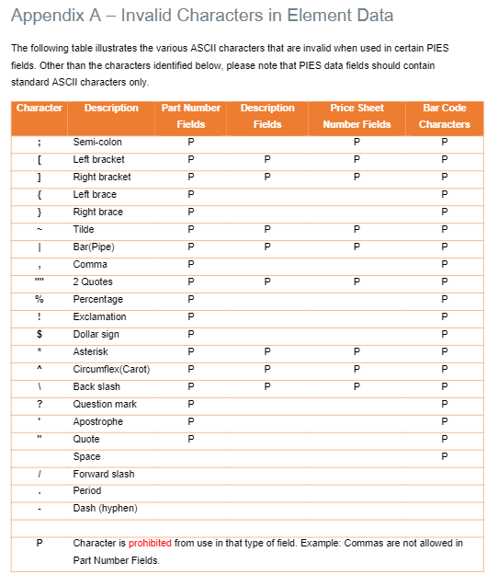
 |  | BC | Bucket | BD | Bundle | BD | Bundle | BD | Bundle | NOT | Not Applicable to Vehicles
 |  | BD | Bundle | BG | Bag | BG | Bag | BG | Bag | REQ | As Required
 |  | BG | Bag | BK | Book | BK | Book | BK | Book | VAR | Variable - See ACES Application Field V91 | Table 7: PartStatus Codes
 |  | BK | Book | BO | Bottle | BO | Bottle | BO | Bottle | ZZ1 | User Defined | Code | Description
 |  | BO | Bottle | BX | Box | BX | Box | BX | Box | ZZ2 | User Defined | Active | Active
 |  | BX | Box | CA | Case | CA | Case | CA | Case | ZZ3 | User Defined | Discontinued | Discontinued
 |  | CA | Case | CG | Card | CG | Card | CG | Card | ZZ4 | User Defined | Proposed | Proposed
 |  | CG | Card | CH | Container | CH | Container | CH | Container | ZZ5 | User Defined
 |  | CH | Container | CN | Can | CN | Can | CN | Can | ZZ6 | User Defined
 |  | CN | Can | CP | Crate | CP | Crate | CP | Crate | ZZ7 | User Defined
 |  | CP | Crate | CQ | Cartridge | CQ | Cartridge | CQ | Cartridge | ZZ8 | User Defined
 |  | CQ | Cartridge | CT | Carton | CT | Carton | CT | Carton | ZZ9 | User Defined
 |  | CT | Carton | CX | Coil | CX | Coil | CX | Coil
 |  | CX | Coil | DR | Drum | DR | Drum | DR | Drum
 |  | DR | Drum | DZ | Dozen | DZ | Dozen | DZ | Dozen
 |  | DZ | Dozen | EA | Each | EA | Each | EA | Each
 |  | EA | Each | EV | Envelope | EV | Envelope | EV | Envelope
 |  | EV | Envelope | FN | Clamshell | FN | Clamshell | FN | Clamshell
 |  | FT | Foot | FT | Foot | FT | Foot | FT | Foot
 |  | GA | Gallon | GA | Gallon | GA | Gallon | GA | Gallon
 |  | HC | Hundred count | HC | Hundred Count | HC | Hundred Count | HC | Hundred Count
 |  | HU | Hundred | HU | Hundred | HU | Hundred | HU | Hundred
 |  | JR | Jar | JR | Jar | JR | Jar | JR | Jar
 |  | KE | Keg | KE | Keg | KE | Keg | KE | Keg
 |  | KG | Kilogram | KG | Kilogram | KG | Kilogram | KG | Kilogram
 |  | KT | Kit | KT | Kit | KT | Kit | KT | Kit
 |  | LB | Pound | LB | Pound | LB | Pound | LB | Pound
 |  | LT | Liter | LT | Liter | LT | Liter | LT | Liter
 |  | MR | Meter | MR | Meter | MR | Meter | MR | Meter
 |  | OP | Two pack | OP | Two pack | OP | Two pack | OP | Two pack
 |  | PA | Pail | PA | Pail | OZ | Ounce | PA | Pail
 |  | PC | Piece | PC | Piece | PA | Pail | PC | Piece
 |  | PF | Pallet | PF | Pallet | PC | Piece | PF | Pallet
 |  | PH | Pack (PAK) | PH | Pack (PAK) | PF | Pallet | PH | Pack (PAK)
 |  | PK | Package | PK | Package | PH | Pack (PAK) | PK | Package
 |  | PL | Pallet Unit Load | PL | Pallet Unit Load | PK | Package | PL | Pallet Unit Load
 |  | PR | Pair | PR | Pair | PL | Pallet Unit Load | PR | Pair
 |  | PT | Pint | PT | Pint | PR | Pair | PT | Pint
 |  | QT | Quart | QT | Quart | PT | Pint | QT | Quart
 |  | RD | Rod | RD | Rod | QT | Quart | RD | Rod
 |  | RE | Reel | RE | Reel | RD | Rod | RE | Reel
 |  | RL | Roll | RL | Roll | RE | Reel | RL | Roll
 |  | SH | Sheet | SH | Sheet | RL | Roll | SH | Sheet
 |  | SL | Sleeve | SL | Sleeve | SH | Sheet | SL | Sleeve
 |  | SO | Spool | SO | Spool | SL | Sleeve | SO | Spool
 |  | ST | Set | ST | Set | SO | Spool | ST | Set
 |  | TB | Tube | TB | Tube | ST | Set | TB | Tube
 |  | TH | Thousand | TE | Tote | TB | Tube | TH | Thousand
 |  | TY | Tray | TH | Thousand | TH | Thousand | TY | Tray
 |  |  |  | TY | Tray | TY | Tray

